Stool_Template
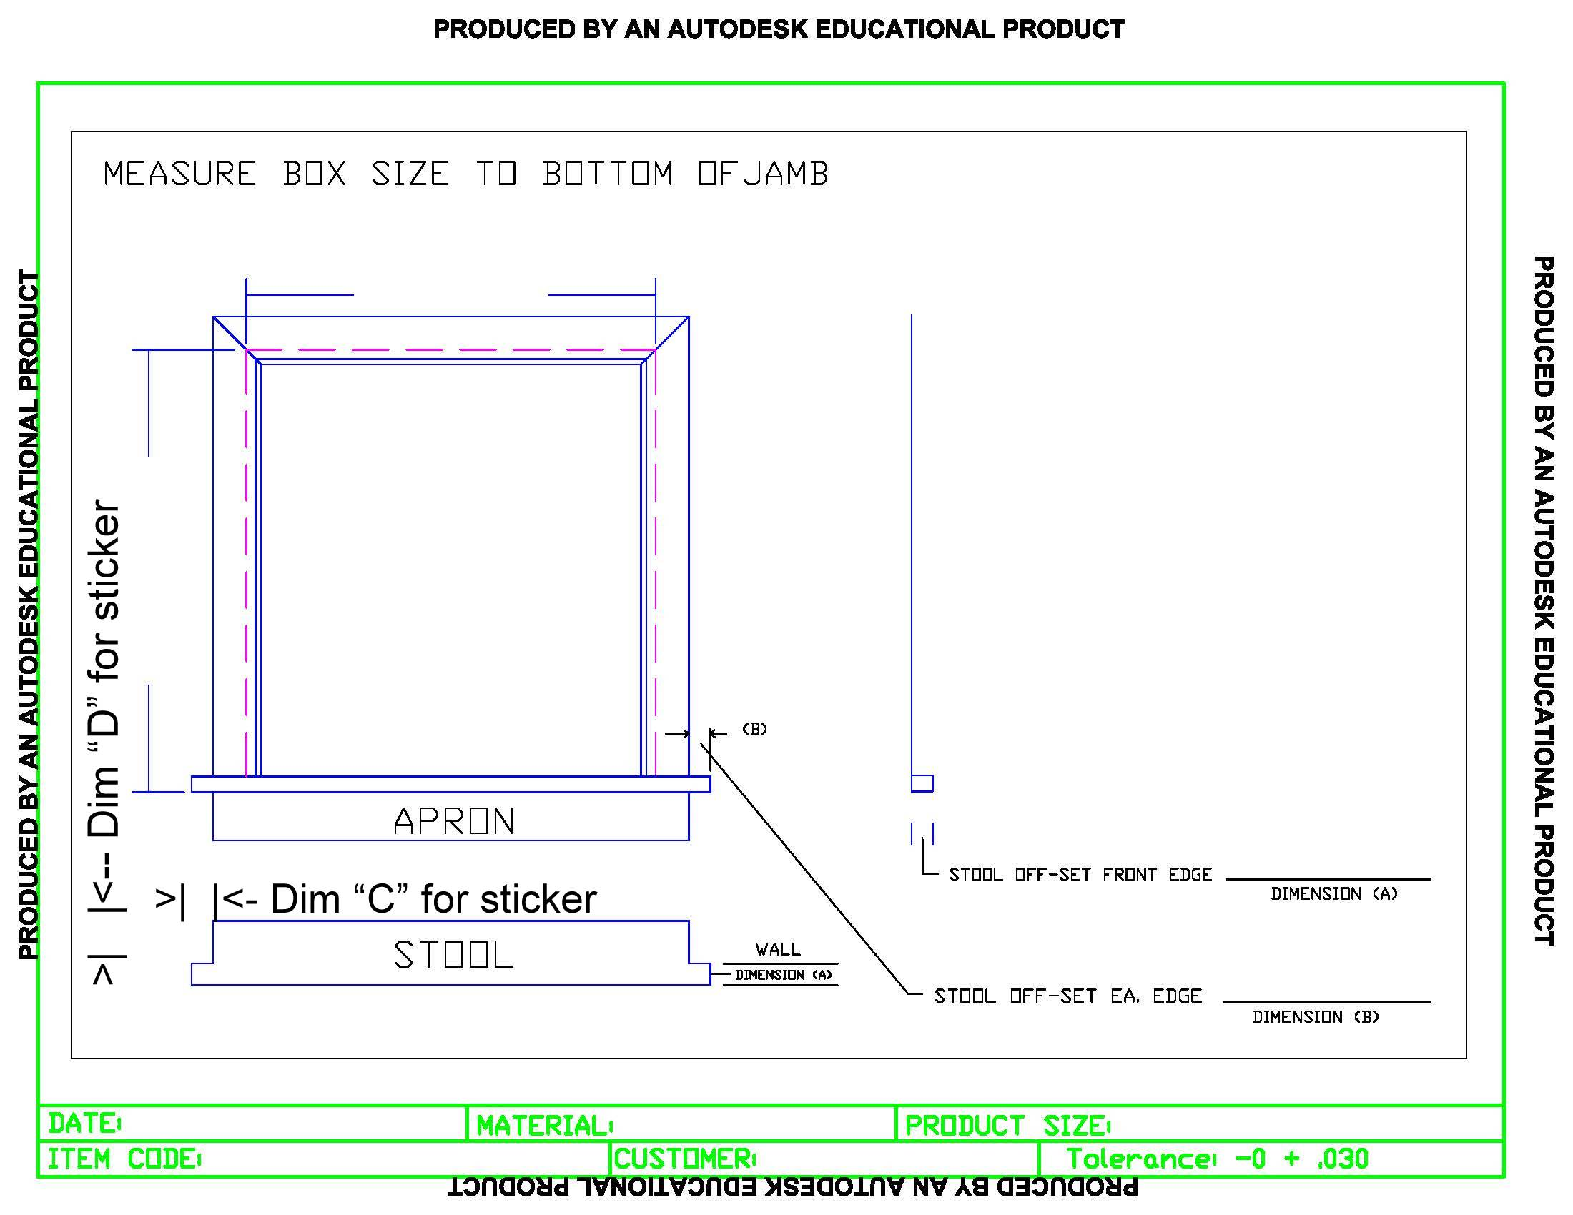
WDI Company - Window Box Stool template

Round_top_Template
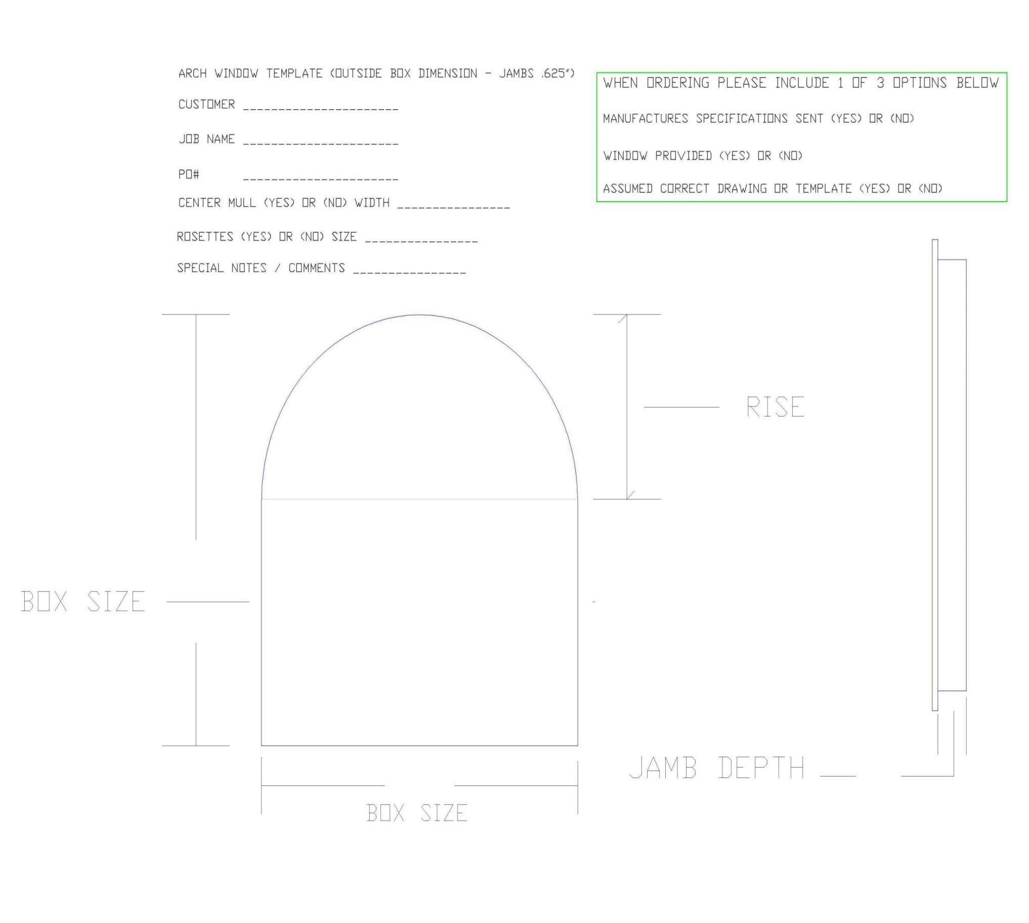
WDI Company - Window Round Top template

