WDI_Standard_Order_Form
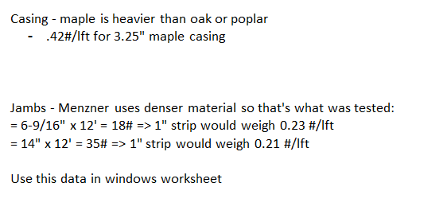
WDI Company - Window Box Order Form |  |  |  |  |  |  | WDI (651) 464-6190 Fax: (651) 464-6191 |  |  |  |  |  | Both: | # PO# - 0 Bx in Color # - Due: 01/00 |  |  | WDI Company |  |  |  |  |  | *save and email excel order form to wdi for pricing |  |  |  |  |  |  |  |  |  |  |  |  |  | Error Codes ---> |  |  |  |  |  |  |  |  |  |  |  |  |  |  | Other logic faults -->
 | Job Name: |  |  |  |  |  | Order Date: |  |  |  |  |  | Box: | # PO# - 0 Bx in Color # - Due: 01/00 |  |  | 651) 464-6190 (800) 899-4265 |  |  |  |  |  |  |  |  |  |  |  |  | Price Deck: | w | Formulas include casing width, stop size |  |  |  |  |  | 1.0 | 2.0 | 3.0 | 3.1 | 3.2 | 4.0 | 5.0 | 7.0 | 8.0 | 9.0 | 10.0 | 11.0 | 12.0 | 13.0 | 14.0 | 15.0 | 16.0 | 17.0 | 18.0
 | PO #: |  |  |  |  |  | WDI Ship Date: |  |  |  |  | Short lead time, Rush charges may apply | Parts: | # PO# - - Due: 01/00 |  |  | Fax: (651) 464-6191 |  |  |  |  |  |  |  |  |  |  |  |  | Scaler: | 0.50 | white premium, CRI vs WDI Pricing |  |  |  |  |  |  |  |  |  |  |  |  |  |  |  |  |  |  |  |  |  |  |  |  |  | Errors
 | Ordered By: |  |  |  |  |  | Customer Name: |  |  |  |  |  |  |  |  |  | www.WDICustomWood.com |  |  |  |  |  |  |  |  |  |  |  |  |  |  |  |  | CALCS |  |  |  | *Box width too small/large | *Box height too small/large | *Opening Type Error | *Dim A & No stool selected | *Dim B & No stool selected | *Jamb Species not stock | *Jamb depth too small/large | *Casing Profile not stock | *Casing width not stock |  | *Stop/Mull Profile not stock | *Stop width too small/large | *Not a stock color | *Notes Err | *White on Oak |  | *Stop is wider than jamb |  |  |  | *Box width too small/large | *Box height too small/large | *Opening Type Error | *Dim A & No stool selected | *Dim B & No stool selected | *Jamb Species not stock | *Jamb depth too small/large | *Casing Profile not stock | *Casing width not stock | 0 | *Stop/Mull Profile not stock | *Stop width too small/large | *Not a stock color | *Notes Err | *White on Oak | 0 | *Stop is wider than jamb | 0 | 0 | string errors | Line Count check | Weight Calcs -->
 | WDI Job # |  |  |  |  |  | # Window Line Items: | - |  | # Parts Line Items: | - | Total Items: | 0 |  |  | See our window video: | http://www.wdicustomwood.com/building-products |  |  |  |  |  |  |  |  |  |  |  |  | Due: | 01/00 |  |  |  |  |  |  |  |  |  |  |  |  |  |  |  |  |  |  |  |  |  |  |  |  |  |  |  |  |  |  |  |  |  |  |  |  |  |  |  |  |  |  |  |  |  |  |  |  |  |  | Weights --> |  |  | Total
 | Box Size (O.D.) |  | Opening Type | Stools |  | Species | Jamb Depth | Casing Profile # | Casing | Stop/Mull (WDST-numbers) | Stop/Mull | Window | Notes | Order messages & errors |  | Window | Window | Additional | Additional | Additional | Additional | Additional | Window |  |  |  |  |  |  |  |  |  | Casing | Casing Profile # |  |  |  | Box Size (O.D.) |  | Opening Type | Stools |  | Jamb | Jamb Depth | Casing Profile # | Casing |  | Stop/Mull (WDST-numbers) | Stop/Mull | Window | Notes |  | Open 7/11/14 |  |  |  |  | Box Size (O.D.) |  | Opening Type | Stools |  | Jamb | Jamb Depth | Casing Profile # | Casing |  | Stop/Mull (WDST #....) | Stop/Mull | Window | Notes |  |  |  |  |  |  |  | UI | lft | Jamb Width | Casing #/Lft | Stop #/lft | 1" Jamb #/lft | Weight | Jamb? | Casing ? | Stop?
# | Width | Height |  | Dim A | Dim B | Species (Oak, Maple, Poplar) | From inside of Window | (WDI #113, #115, #118) | Width (2.25", 2.5", 3.25") | Stock Profiles #006, 007, 009, 011 * | Width (Standard = 1.25") | Color # (from color chips dated 2019 or newer) | Descriptions |  |  | Pricing Length (Inches) | Casing & Jamb Price | Stop Charges | Items & Charges | Items & Charges | Items & Charges | Items & Charges | Total Price |  |  | Weight (lbs) |  |  |  |  |  |  | Width (2.25", 2.5", 3.25") | Revised Casing Name |  |  |  | Width | Height |  | Dim A | Dim B | Species (Oak, Maple, Poplar) | From inside of Window | (WDI #113, #115, #118, etc.) | Width (2.25", 2.5", 3.25") |  | Stock Profiles #006, 007, 009, 011 | Width (Standard = 1.25") | Color | Descriptions | White on Oak check |  | Stop wider than jamb |  |  | SUM | Width | Height |  | Dim A | Dim B | Species (Oak, Maple, Poplar) | From inside of Window | (WDI #113, #115, #118, etc.) | Width (2.25, 3.25, 5.0") |  | Profile #004, 006, 007, 008, 009, 011) | Width (Standard = 1.25") | Color | Descriptions |  |  |  |  |  | <-- ERROR MESSAGES --> |  |  |  |  | 0.42 | 0.15 | 0.23
1 | 2 | 3 |  |  |  | 4 | 5 | 6 | 8 | 9 |  | 10 | 11 |  | 12 | 13 | 14 |  |  |  |  | 16 | 17 |  |  | 16 |  | 19 | 20 |  |  |  | 8 | 6
1 |  |  | W |  |  |  |  |  |  |  |  |  |  | - Invalid Line - |  | - | #REF! | #REF! |  |  |  |  | #REF! |  |  | - |  |  |  |  |  |  |  |  |  |  | 1 | 0 | 0 | 0 | 0 | 0 | 40 | 0 | 70 | 80 |  | 100 | 0 | 120 |  | 0 |  | 0 |  |  | 410 |  |  |  |  |  | *Jamb Species not stock |  | *Casing Profile not stock | *Casing width not stock |  | *Stop/Mull Profile not stock |  | *Not a stock color |  |  |  |  |  |  | - Invalid Line - |  | - | - | - | - | - | - | - | - | - |  | 70
2 |  |  | W |  |  |  |  |  |  |  |  |  |  | - Invalid Line - |  | - | #REF! | #REF! |  |  |  |  | #REF! |  |  | - |  |  |  |  |  |  |  |  |  |  | 1 | 0 | 0 | 0 | 0 | 0 | 40 | 0 | 70 | 80 |  | 100 | 0 | 121 |  | 0 |  | 0 |  |  | 411 |  |  |  |  |  | *Jamb Species not stock |  | *Casing Profile not stock | *Casing width not stock |  | *Stop/Mull Profile not stock |  | *Not a stock color |  |  |  |  |  |  | - Invalid Line - |  | - | - | - | - | - | - | - | - | -
3 |  |  | W |  |  |  |  |  |  |  |  |  |  | - Invalid Line - |  | - | #REF! | #REF! |  |  |  |  | #REF! |  |  | - |  |  |  |  |  |  |  |  |  |  | 1 | 0 | 0 | 0 | 0 | 0 | 40 | 0 | 70 | 80 |  | 100 | 0 | 121 |  | 0 |  | 0 |  |  | 411 |  |  |  |  |  | *Jamb Species not stock |  | *Casing Profile not stock | *Casing width not stock |  | *Stop/Mull Profile not stock |  | *Not a stock color |  |  |  |  |  |  | - Invalid Line - |  | - | - | - | - | - | - | - | - | -
4 |  |  | W |  |  |  |  |  |  |  |  |  |  | - Invalid Line - |  | - | #REF! | #REF! |  |  |  |  | #REF! |  |  | - |  |  |  |  |  |  |  |  |  |  | 1 | 0 | 0 | 0 | 0 | 0 | 40 | 0 | 70 | 80 |  | 100 | 0 | 121 |  | 0 |  | 0 |  |  | 411 |  |  |  |  |  | *Jamb Species not stock |  | *Casing Profile not stock | *Casing width not stock |  | *Stop/Mull Profile not stock |  | *Not a stock color |  |  |  |  |  |  | - Invalid Line - |  | - | - | - | - | - | - | - | - | -
5 |  |  | W |  |  |  |  |  |  |  |  |  |  | - Invalid Line - |  | - | #REF! | #REF! |  |  |  |  | #REF! |  |  | - |  |  |  |  |  |  |  |  |  |  | 1 | 0 | 0 | 0 | 0 | 0 | 40 | 0 | 70 | 80 |  | 100 | 0 | 121 |  | 0 |  | 0 |  |  | 411 |  |  |  |  |  | *Jamb Species not stock |  | *Casing Profile not stock | *Casing width not stock |  | *Stop/Mull Profile not stock |  | *Not a stock color |  |  |  |  |  |  | - Invalid Line - |  | - | - | - | - | - | - | - | - | -
6 |  |  | W |  |  |  |  |  |  |  |  |  |  | - Invalid Line - |  | - | #REF! | #REF! |  |  |  |  | #REF! |  |  | - |  |  |  |  |  |  |  |  |  |  | 1 | 0 | 0 | 0 | 0 | 0 | 40 | 0 | 70 | 80 |  | 100 | 0 | 121 |  | 0 |  | 0 |  |  | 411 |  |  |  |  |  | *Jamb Species not stock |  | *Casing Profile not stock | *Casing width not stock |  | *Stop/Mull Profile not stock |  | *Not a stock color |  |  |  |  |  |  | - Invalid Line - |  | - | - | - | - | - | - | - | - | -
7 |  |  | W |  |  |  |  |  |  |  |  |  |  | - Invalid Line - |  | - | #REF! | #REF! |  |  |  |  | #REF! |  |  | - |  |  |  |  |  |  |  |  |  |  | 1 | 0 | 0 | 0 | 0 | 0 | 40 | 0 | 70 | 80 |  | 100 | 0 | 121 |  | 0 |  | 0 |  |  | 411 |  |  |  |  |  | *Jamb Species not stock |  | *Casing Profile not stock | *Casing width not stock |  | *Stop/Mull Profile not stock |  | *Not a stock color |  |  |  |  |  |  | - Invalid Line - |  | - | - | - | - | - | - | - | - | -
8 |  |  | W |  |  |  |  |  |  |  |  |  |  | - Invalid Line - |  | - | #REF! | #REF! |  |  |  |  | #REF! |  |  | - |  |  |  |  |  |  |  |  |  |  | 1 | 0 | 0 | 0 | 0 | 0 | 40 | 0 | 70 | 80 |  | 100 | 0 | 121 |  | 0 |  | 0 |  |  | 411 |  |  |  |  |  | *Jamb Species not stock |  | *Casing Profile not stock | *Casing width not stock |  | *Stop/Mull Profile not stock |  | *Not a stock color |  |  |  |  |  |  | - Invalid Line - |  | - | - | - | - | - | - | - | - | -
9 |  |  | W |  |  |  |  |  |  |  |  |  |  | - Invalid Line - |  | - | #REF! | #REF! |  |  |  |  | #REF! |  |  | - |  |  |  |  |  |  |  |  |  |  | 1 | 0 | 0 | 0 | 0 | 0 | 40 | 0 | 70 | 80 |  | 100 | 0 | 121 |  | 0 |  | 0 |  |  | 411 |  |  |  |  |  | *Jamb Species not stock |  | *Casing Profile not stock | *Casing width not stock |  | *Stop/Mull Profile not stock |  | *Not a stock color |  |  |  |  |  |  | - Invalid Line - |  | - | - | - | - | - | - | - | - | -
10 |  |  | W |  |  |  |  |  |  |  |  |  |  | - Invalid Line - |  | - | #REF! | #REF! |  |  |  |  | #REF! |  |  | - |  |  |  |  |  |  |  |  |  |  | 1 | 0 | 0 | 0 | 0 | 0 | 40 | 0 | 70 | 80 |  | 100 | 0 | 121 |  | 0 |  | 0 |  |  | 411 |  |  |  |  |  | *Jamb Species not stock |  | *Casing Profile not stock | *Casing width not stock |  | *Stop/Mull Profile not stock |  | *Not a stock color |  |  |  |  |  |  | - Invalid Line - |  | - | - | - | - | - | - | - | - | -
11 |  |  | W |  |  |  |  |  |  |  |  |  |  | - Invalid Line - |  | - | #REF! | #REF! |  |  |  |  | #REF! |  |  | - |  |  |  |  |  |  |  |  |  |  | 1 | 0 | 0 | 0 | 0 | 0 | 40 | 0 | 70 | 80 |  | 100 | 0 | 121 |  | 0 |  | 0 |  |  | 411 |  |  |  |  |  | *Jamb Species not stock |  | *Casing Profile not stock | *Casing width not stock |  | *Stop/Mull Profile not stock |  | *Not a stock color |  |  |  |  |  |  | - Invalid Line - |  | - | - | - | - | - | - | - | - | -
 | Amount | Length (Inches) |  |  |  | Species |  |  |  | Misc profile |  | Color # | Last 4 lines for Parts |  |  | Length (lft) |  |  |  |  |  |  |  |  |  | -
1 |  |  | P |  |  |  |  |  |  |  |  |  |  |  |  | - |  |  |  |  |  |  | $- |  |  | - |  |  |  |  |  |  |  |  |  |  | 1 |  |  |  |  |  | 40 | 0 | 0 | 0 |  | 0 |  | 120 |  | 0 |  |  |  |  | 160 |  |  |  |  |  | *Jamb Species not stock |  |  |  |  |  |  | *Not a stock color |  |  |  |  |  |  | - Invalid Line - |  |  | - | - | - | - | - | - |  | -
2 |  |  | P |  |  |  |  |  |  |  |  |  |  |  |  | - |  |  |  |  |  |  | $- |  |  | - |  |  |  |  |  |  |  |  |  |  | 1 |  |  |  |  |  | 40 | 0 | 0 | 0 |  | 0 |  | 121 |  | 0 |  |  |  |  | 161 |  |  |  |  |  | *Jamb Species not stock |  |  |  |  |  |  | *Not a stock color |  |  |  |  |  |  | - Invalid Line - |  |  | - | - | - | - | - | - |  | -
3 |  |  | P |  |  |  |  |  |  |  |  |  |  |  |  | - |  |  |  |  |  |  | $- |  |  | - |  |  |  |  |  |  |  |  |  |  | 1 |  |  |  |  |  | 40 | 0 | 0 | 0 |  | 0 |  | 121 |  | 0 |  |  |  |  | 161 |  |  |  |  |  | *Jamb Species not stock |  |  |  |  |  |  | *Not a stock color |  |  |  |  |  |  | - Invalid Line - |  |  | - | - | - | - | - | - |  | -
4 |  |  | P |  |  |  |  |  |  |  |  |  |  |  |  | - |  |  |  |  |  |  | $- |  |  | - |  |  |  |  |  |  |  |  |  |  | 1 |  |  |  |  |  | 40 | 0 | 0 | 0 |  | 0 |  | 121 |  | 0 |  |  |  |  | 161 |  |  |  |  |  | *Jamb Species not stock |  |  |  |  |  |  | *Not a stock color |  |  |  |  |  |  | - Invalid Line - |  |  | - | - | - | - | - | - |  | -
 |  |  |  |  |  |  |  |  |  | ff
 |  |  |  | Type is (W)indow, (D)oor, (S)tool, (H)eader, (O)ctagon, or (C)ustom |  |  |  |  |  | * - also accepts "001" for WDSH-001 |  |  |  |  |  | - | #REF! | #REF! | $- | $- | $- | $- | #REF! |  |  | -
Orders in by 2:00 PM |  |  |  |  |  |  |  |  |  |  | OTHER SPECIAL COMMENTS:
Lead Times (Expedited): |  |  |  |  | Rush Charges: |  |  |  |  | DELIVERY ADDRESS: |  |  |  |  |  | Confirmation Information
3 Days for pick & pull parts |  |  |  |  | 2 Day = 75% Up Charge |  | 1 Day = 100% up charge |  |  | CONTACT: |  | PHONE: |  |  |  | Customer Acceptance Signature: ________________________
5 Days for finished windows using stock parts |  |  |  |  | n/a |  | n/a |  |  | SPECIAL DELIVERY REQUESTS: |  |  |  |  |  | Fax to: (651) 464-6191 |  |  |  |  |  | Date: ______________
7 Days for finished windows with custom parts |  |  |  |  | n/a |  | n/a |  |  |  |  |  |  |  |  | or Email: CustomerService@WDICustomWood.com
 |  | 12.000 |  |  |  |  |  |  |  |  |  |  |  |  |  | THIS ORDER WILL BE ENTERED INTO WDI PRODUCTION
v2002Feb-T1-Sales |  | 0.500 | w |  |  |  |  |  |  |  |  |  |  |  |  | SCHEDULE ON RECEIPT OF SIGNED CONFIRMATION

1 | 2 | 3 |  |  |  | 4 | 5 | 6 | 8 | 9 | 0 | 10 | 11 | 0 | 12 | 13 | 14 | 0 | 0 | 0 | 0 | 16 | 17 | 0 | 0 | 16 | 0 | 19 | 20 | 0 | 0 | 0 | 8 | 6 | 0 | 0 | 0 | 0 | 0
 |  |  |  |  |  |  |  |  |  |  |  |  |  |  |  |  |  |  |  |  |  | $$/U.I: | #REF!
 |  |  |  |  |  | Stool calls out stool vs bottom casing |  |  |  |  |  |  |  |  |  |  |  |  |  |  |  | $$/lft: | #REF!
 |  |  |  |  |  | Door eliminates bottom jamb & casing |  |  |  |  |  |  |  |  |  | - | lft pricing |  |  |  |  | $$/Window | #REF!
 |  |  |  |  |  | Header calls out 3 sides of casing & cut to same reveal |  |  |  |  |  |  |  |  |  |  |  |  |  |  |  | lft/Window | #DIV/0!
 |  |  |  |  |  | Round calls out amounts at zero -> custom calculations
 |  |  |  |  |  |  |  |  |  |  |  |  |  |  |  |  |  |  |  |  |  | #REF! | #REF!
 |  |  |  |  |  |  |  |  |  |  |  |  |  |  |  |  |  |  |  |  |  | #REF! | #REF!
 |  |  |  |  |  |  |  |  |  |  |  |  |  |  |  |  |  |  |  |  |  | #REF! | #REF!

Stool_Template
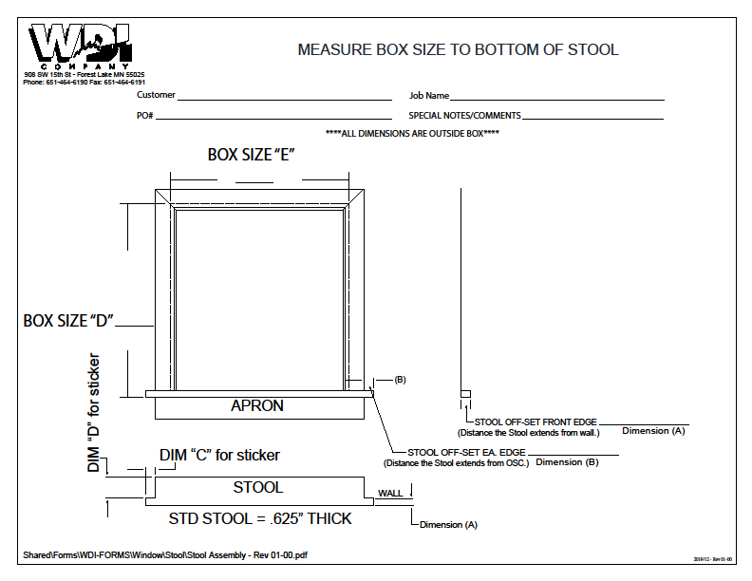
WDI Company - Window Box Stool template

Octagon_Template
Calculations for Octagon Windows |  |  | Job Name: | 0 |  | Ordered By: | 0
 |  |  | PO #: | 0 |  | WDI Job # | 0
 | Fill in the green shaded area:
 |  |  |  |  | Cut Angle is 22.5o
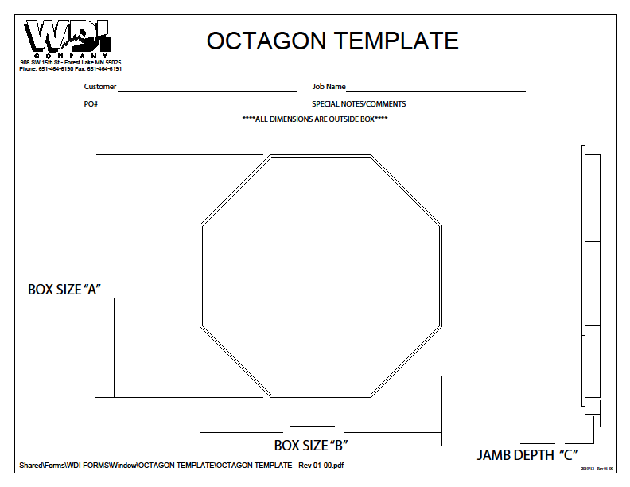
 | Information | Key from chart @ right
 | Outside of Octagon box (A):
 | Outside of Long side Octagon box (B):
 | Casing Width:

 | Jamb length (tip to tip): | -
 | casing length (tip to tip): | (0.3624)
 | Stop length (tip to tip): | (0.5178)

 | Long side jamb length (pt to pt): | -
 | Long side casing length (pt to pt): | (0.3624)
 | Long side stop length (pt to pt): | (0.5178)

 | Jamb thickness: | 0.6250
 | Casing Reveal: | 0.1875

 | Cut @ 22.5 degree angle to Outside of casing length

