Octagon_Template
Calculations for Octagon Windows |  |  |  | Job Name: | 0 |  | Ordered By: | 0
 |  |  |  | PO #: | 0 |  | WDI Job # | 0
 | Fill in the green shaded area:
 |  |  |  |  |  | Cut Angle is 22.5o
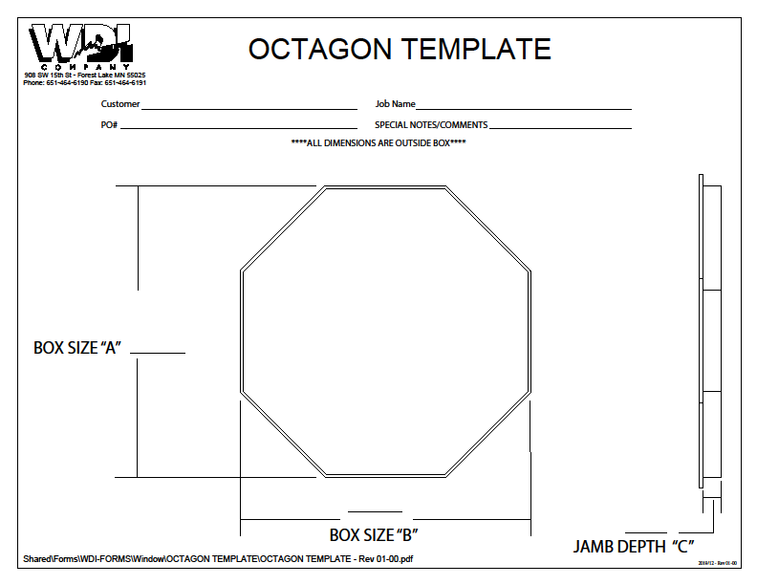
 | Information | Key from chart @ right
 | Outside of Octagon box (A): | -
 | Outside of Long side Octagon box (B): | - | -
 | Casing Width: | -

 | Jamb length (tip to tip): | -
 | casing length (tip to tip): | (0.3624)
 | Stop length (tip to tip): | (0.5178)

 | Long side jamb length (pt to pt): | -
 | Long side casing length (pt to pt): | (0.3624)
 | Long side stop length (pt to pt): | (0.5178)

 | Jamb thickness: | 0.6250
 | Casing Reveal: | 0.1875

 | Cut @ 22.5 degree angle to Outside of casing length

 |  |  | -
 |  |  | -

Stool_Template
WDI Company - Window Box Stool template
